Sheet1
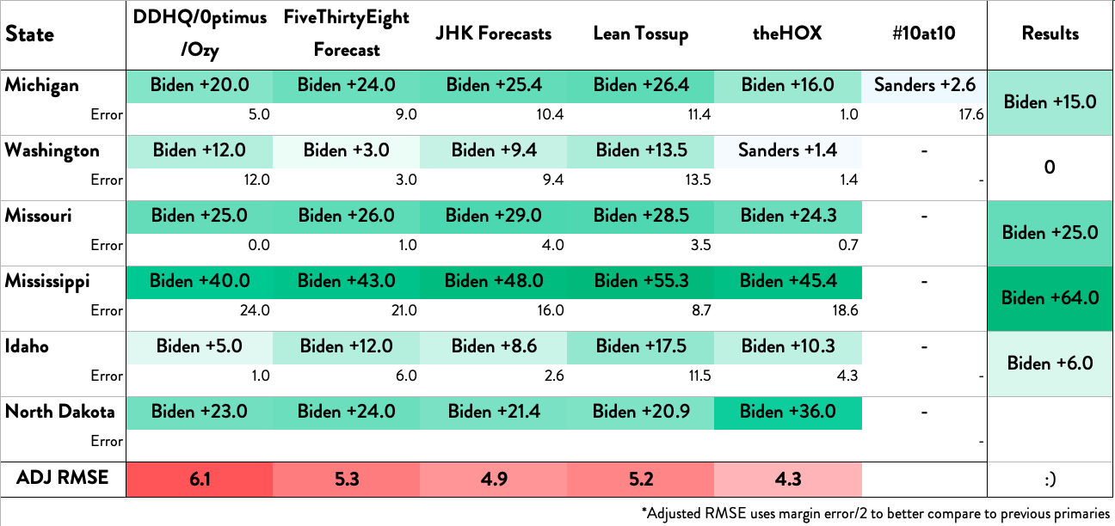
State | DDHQ/0ptimus/Ozy | FiveThirtyEight Forecast | JHK Forecasts | Lean Tossup | theHOX | #10at10 | Results | 6
Michigan | Biden +20.0 | Biden +24.0 | Biden +25.4 | Biden +26.4 | Biden +16.0 | Sanders +2.6 | Biden +16.5
Error | 3.5 | 7.5 | 8.9 | 9.9 | 0.5 | 19.1
Washington | Biden +12.0 | Biden +3.0 | Biden +9.4 | Biden +13.5 | Sanders +1.4 | - | Sanders +0.2
Error | 12.2 | 3.2 | 9.6 | 13.7 | 1.2 | -
Missouri | Biden +25.0 | Biden +26.0 | Biden +29.0 | Biden +28.5 | Biden +24.3 | - | Biden +25.7
Error | 0.7 | 0.3 | 3.3 | 2.8 | 1.4
Mississippi | Biden +40.0 | Biden +43.0 | Biden +48.0 | Biden +55.3 | Biden +45.4 | - | Biden +66.2
Error | 26.2 | 23.2 | 18.2 | 10.9 | 20.8
Idaho | Biden +5.0 | Biden +12.0 | Biden +8.6 | Biden +17.5 | Biden +10.3 | - | Biden +6.3
Error | 1.3 | 5.7 | 2.3 | 11.2 | 4.0 | -
North Dakota | Biden +23.0 | Biden +24.0 | Biden +21.4 | Biden +20.9 | Biden +36.0 | - | #N/A
Error | #N/A | #N/A | #N/A | #N/A | #N/A | -
ADJ RMSE | #N/A | #N/A | #N/A | #N/A | #N/A |  | :)
*Adjusted RMSE uses margin error/2 to better compare to previous primaries

